2-Post Lift ROI
 |  |  | 2-Post Lift Return On Investment

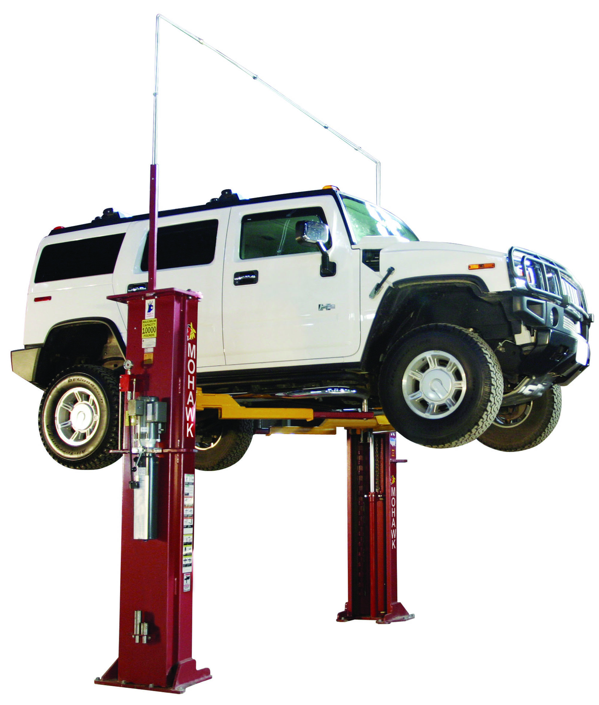

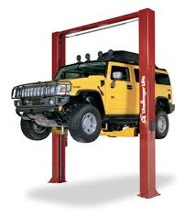

 |  | Shown: System I
 |  |  |  |  |  | Shown: CL10
 | 25-Year Structural Warranty - 10-Year Mechanical Warranty |  |  |  |  | 1-Year Warranty

 |  | Mohawk System 1 | Challenger CL10

Sale Price |  | $6,500.00 | $3,999.00
Truck Adapters |  | Included | $250.00
Extended Height Option |  | Not Needed | $500.00 | Challenger EH2 Option

Additional Service Cost*
Slide Blocks |  | N/A | $800.00 | Replacement of Worn Slide/Friction Blocks Every 4-6 years
Cables |  | N/A | $225.00 | Replacement of Worn/Frayed Cables Every 3-4 years
Cable Rollers |  | N/A | $600.00 | Replacement of Siezed or Broken Plastic Rollers (All Rollers) Every 3-4 years
Rubber Hydraulic Hoses |  | N/A | $225.00 | Replacement of Leaking Rubber Hydraulic Hoses Every 1-2 years

Bay Down Time |  | N/A | $1,300.00 | 13 Hours x Shop Labor Rate

Sub Total |  | $6,500.00 | $7,899.00

Number of Lifts |  | 1 | 1

Total |  | $6,500.00 | $7,899.00

 |  |  |  |  | * Service Repairs are Surveyed Industry Averages
 |  |  |  | Note: | ROI reflects only (1) repair occurrence over a 10-year period

 | Mohawk System 1
Sale Price | 6500
Truck Adapters | 0
Extended Height Option | 0
Additional Service Cost*
Slide Blocks | 0
Cables | 0
Cable Rollers | 0
Rubber Hydraulic Hoses | 0
Bay Down Time | 0
 | Challenger CL10
Sale Price | $3,999.00
Truck Adapters | $250.00
Extended Height Option | $500.00
Additional Service Cost*
Slide Blocks | $800.00
Cables | $225.00
Cable Rollers | $600.00
Rubber Hydraulic Hoses | $225.00
Bay Down Time | $1,300.00

 |  |  | 10-Year Cost of Ownership

